Calculation
Calculation tool for defining Flight Geography, Contingency Volume and Ground Risk Buffer |  |  |  |  |  |  |  |  |  |  |  |  |  | Altitude measurement error | #REF! | 0 | multirotor | rotorcraft | fixed-wing aircraft | 0
 |  |  |  |  |  |  |  |  |  |  |  | Version: | 1.8 | 0 | - GPS-based | 0 | 0 | 0 | 0 | 0
Details of UAV used and intended operation |  |  |  |  |  |  |  |  |  |  |  | based on equations of Guidance on Defining flight geography, contingency volume and |  | Contingency manoeuvre | 0 | 0 | 0 | 0 | 0 | 0
 |  |  | Type |  | fixed-wing aircraft |  |  |  |  |  |  | ground risk buffer in revision 1.6 (20.11.2023) |  | 0 | 0 | 0 | 0 | 0 | 0 | 0
 |  |  |  |  | fixed-wing aircraft |  |  |  |  |  |  |  |  | 0 | Drone type | multirotor | fixed-wing aircraft | 0 | 0 | 0 | Drone type | multirotor
 |  | Maximum operational speed | v0 | = | 25 | m/s | 25 |  |  |  |  | Information about the applicant: |  | Lateral | Contingency manoeuvre: | stopping | 180° turn | 0 | 0 | 0 | Contingency manoeuvre: | Conversion of forward kinetic energy into potential energy
 |  | Maximum UAV characteristic dimension | CD | = | 3 | m |  |  |  |  |  |  |  | 0 | 0 | termination by triggering of the parachute | termination by triggering of the parachute | 0 | 0 | 0 | 0 | termination by triggering of the parachute | termination by triggering of the parachute
 |  | Altitude measurement error |  |  |  |  |  |  |  |  |  | Name: |  | 0 | 0 | 0 | 0 | 0 | 0 | 0
 |  | - barometric | H∆ | = | 1 | m | own value: |  | m |  |  | e-ID: |  | 0 | 0 | 0 | 0 | 0 | 0 | 0
 |  | GPS – inaccuracy | SGPS | = | 3 | m | own value: |  | m |  |  | Date: | 2025-03-20 | 0 | 0 | 0 | 0 | 0 | 0 | 0
 |  | Position holding error | SPos | = | 3 | m | own value: |  | m |  |  |  |  | 0 | 0 | 0 | 0 | 0 | 0 | 0
 |  | Map error | SK | = | 1 | m | own value: |  | m |  |  | Exemplary representation of flight geography, contingency volume, ground risk buffer and adjacent volume: |  | 0 | 0 | 0 | 0 | 0 | 0 | 0
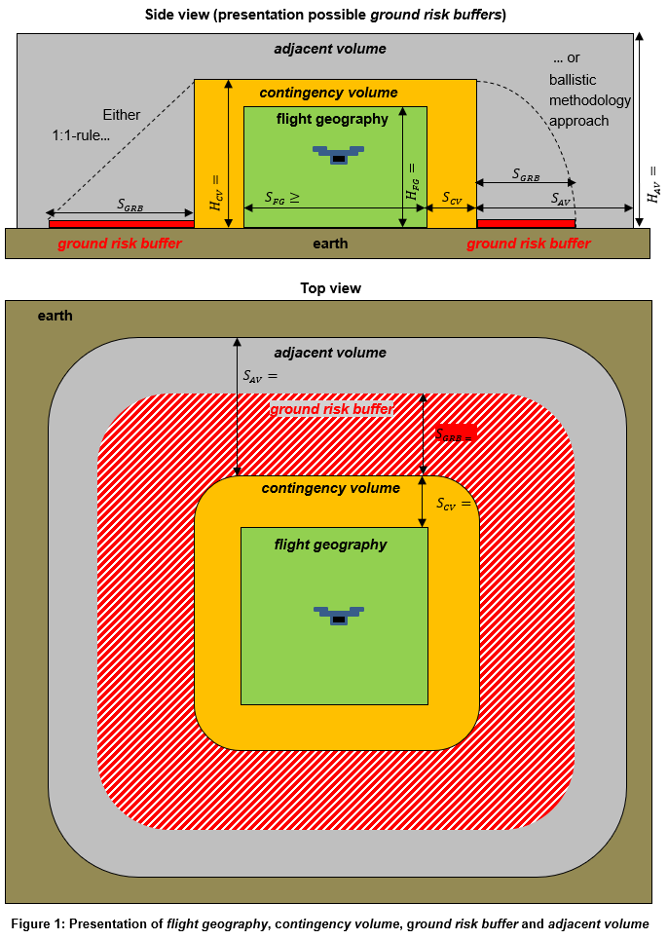
 |  | Response time of remote pilot / automatic | tRZ | = | 1 | s |  |  |  |  |  |  |  | 0 | 0 | 0 | 0 | 0 | 0 | 0
 |  |  |  |  |  |  |  |  |  |  |  |  |  | 0 | 0 | 0 | 0 | 0 | 0 | 0
8.1 Minimum dimension of flight geography (FG)
 |  |  |  |  |  |  |  |  |  |  |  |  |  | 0
m
m
m
 |  | Height flight geography | HFG | = | 20 | m |  |  |  |  | 20
57,6
20
207,6
 |  | Minimum height of particularly small FG | HFG | ≥ | 9 | m
 |  | Minimum width of particularly small FG | SFG | ≥ | 9 | m

9
m
8.2 Calculation of contingency volume (CV)

 | Lateral
 |  | Contingency manoeuvre: | 180° turn |  |  |  |  |  | 0
 |  | Roll angle | Φ | = | 45 | ° | Note: The roll angle is > 30° |  |  |  | 63.71049949
 |  |  |  |  | 2
 |  | Reaction distance | SRZ | = | 25 | m
 |  | Distance for Contingency manoeuvre | SCM | = | 63.7 | m

3000
m
 |  | Minimum lateral dimension of CV | SCV | ≥ | 95.7 | m (Tip: Add a reasonable safety buffer in the kml) |  |  |  |  | 95.71049949

136,4
m
 | Vertical
 |  | Response height | HRZ | = | 17.5 | m | own value: |  | m

95,7
m
 |  | Contingency manoeuvre: | 45° pitch angle via a constant circular path until level flight |  |  |  |  |  | 0 | 31.855249745 | 19.113149847
 |  |  |  |  | 2 |  | 2 |  |  | 35 | 35
 |  |  | HCM | = | 19.1 | m

 |  | Minimum vertical dimension of CV | HCV | = | 57.6 | m |  |  |  |  | 57.613149847

8.3 Calculation of ground risk buffer (GRB)

 |  | Method of termination: | termination by triggering of the parachute |  |  |  |  |  | 0

 |  | Glide ratio | E | = | 20
 |  | Time to open the parachute | t | = | 2 | s | 2
 |  | Maximum permissible wind speed for operation | vWind | = | 3 | m/s
 |  | Rate of descent with the parachute open | vZ | = | 2 | m/s

 |  | Minimum lateral dimension of GRB | SGRB | ≥ | 136.4 | m (Tip: Add a reasonable safety buffer in the kml) |  |  |  |  | 136.41972477

8.4 Calculation of adjacent volume

 |  | Adjacent volume lateral | SAV | = | 3000 | m

 |  | Adjacent volume vertical | HAV | = | 207.6 | m | 681.1 | ft

9 Calculation of maximum possible VLOS distance
 |  | Attitude Line of Sight | ALOSmax | = | 1500 | m

 |  | Ground Visibility (GVmax = 5000 m) | GV | = | 5000 | m | own value: |  | m
 |  | Detection Line of Sight | DLOSmax | = | 1500 | m

 |  | maximum possible VLOS distance | VLOSmax | = | 1500.0 | m

